Assignment 1
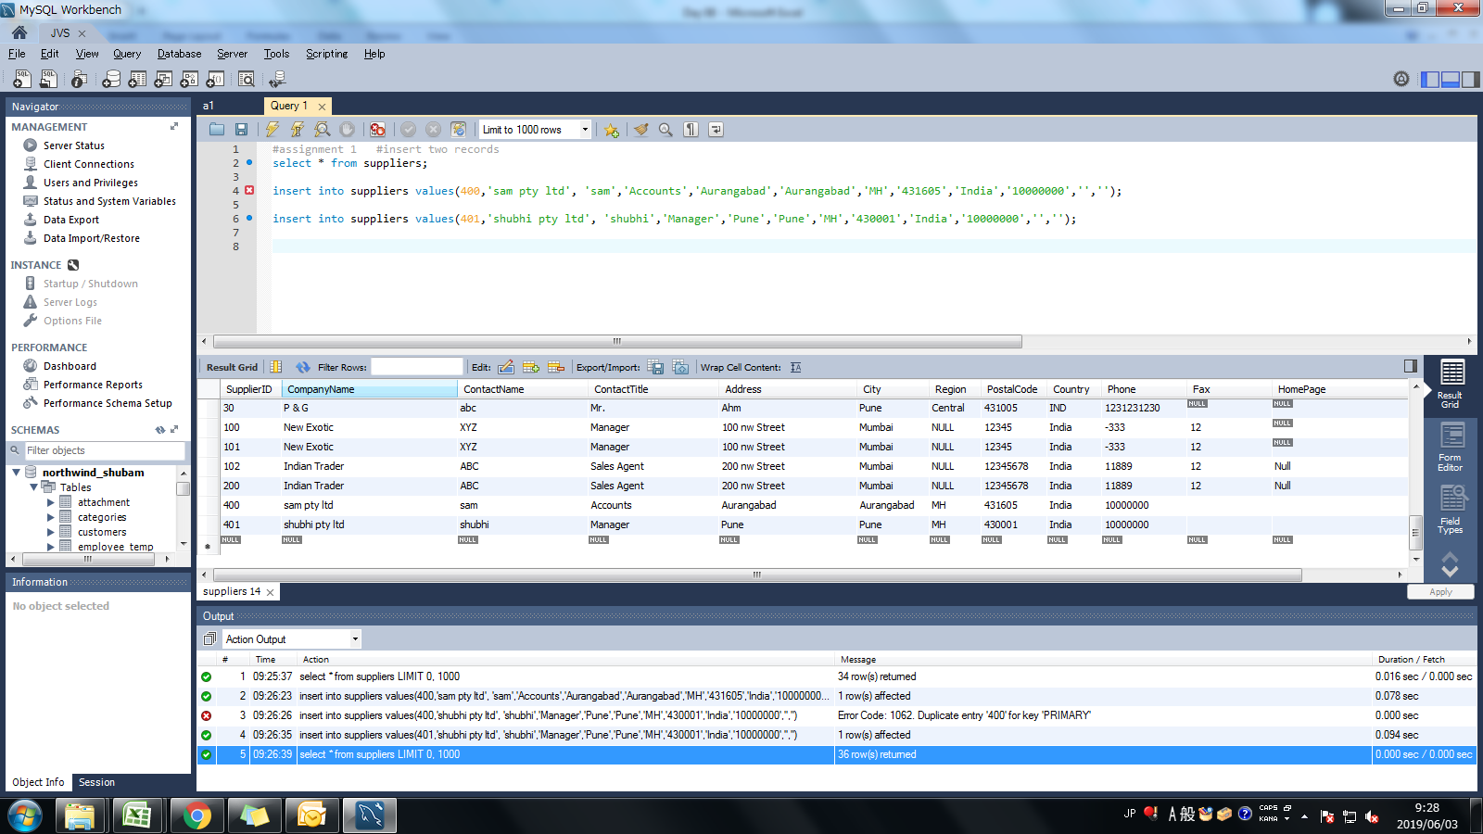
Assignment: | Insert two suppliers in suppliers table

Query: | insert into suppliers values(400,'sam pty ltd', 'sam','Accounts','Aurangabad','Aurangabad','MH','431605','India','10000000','','');

 | insert into suppliers values(401,'shubhi pty ltd', 'shubhi','Manager','Pune','Pune','MH','430001','India','10000000','','');

Screen Shoot:

Assignment 2
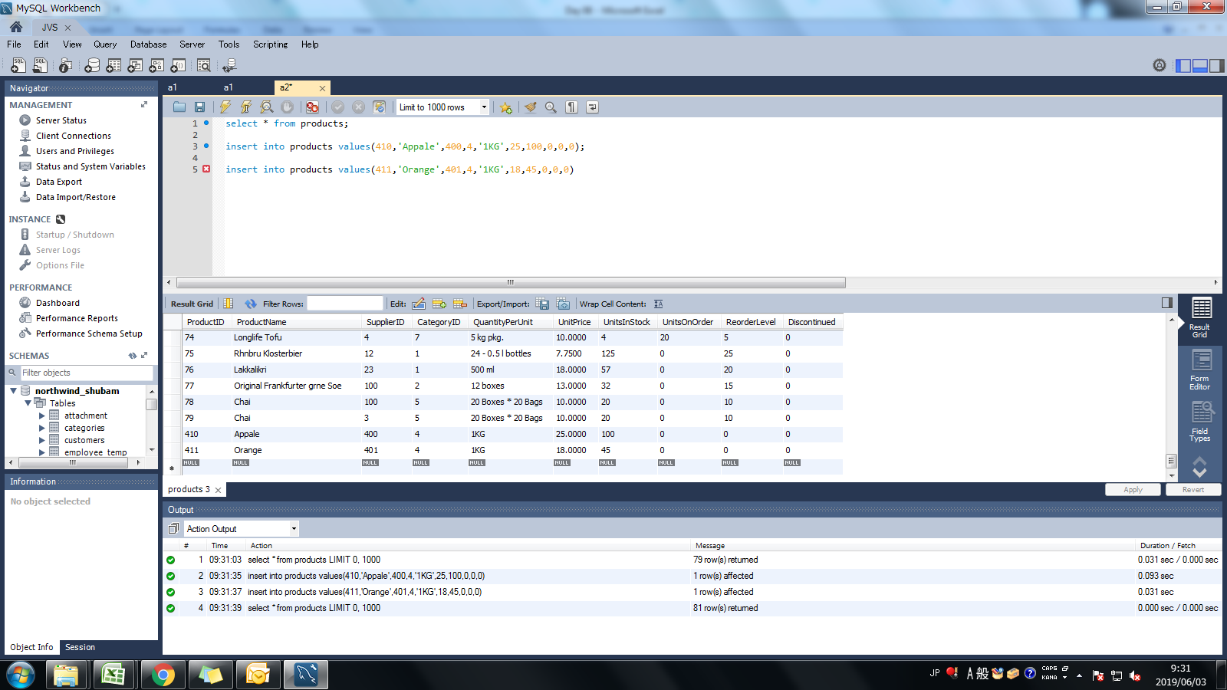
Assignment: | Insert product in products table for specific suppliers

Query: | insert into products values(410,'Appale',400,4,'1KG',25,100,0,0,0);

 | insert into products values(411,'Orange',401,4,'1KG',18,45,0,0,0)

Screen Shoot:

Assignment 3
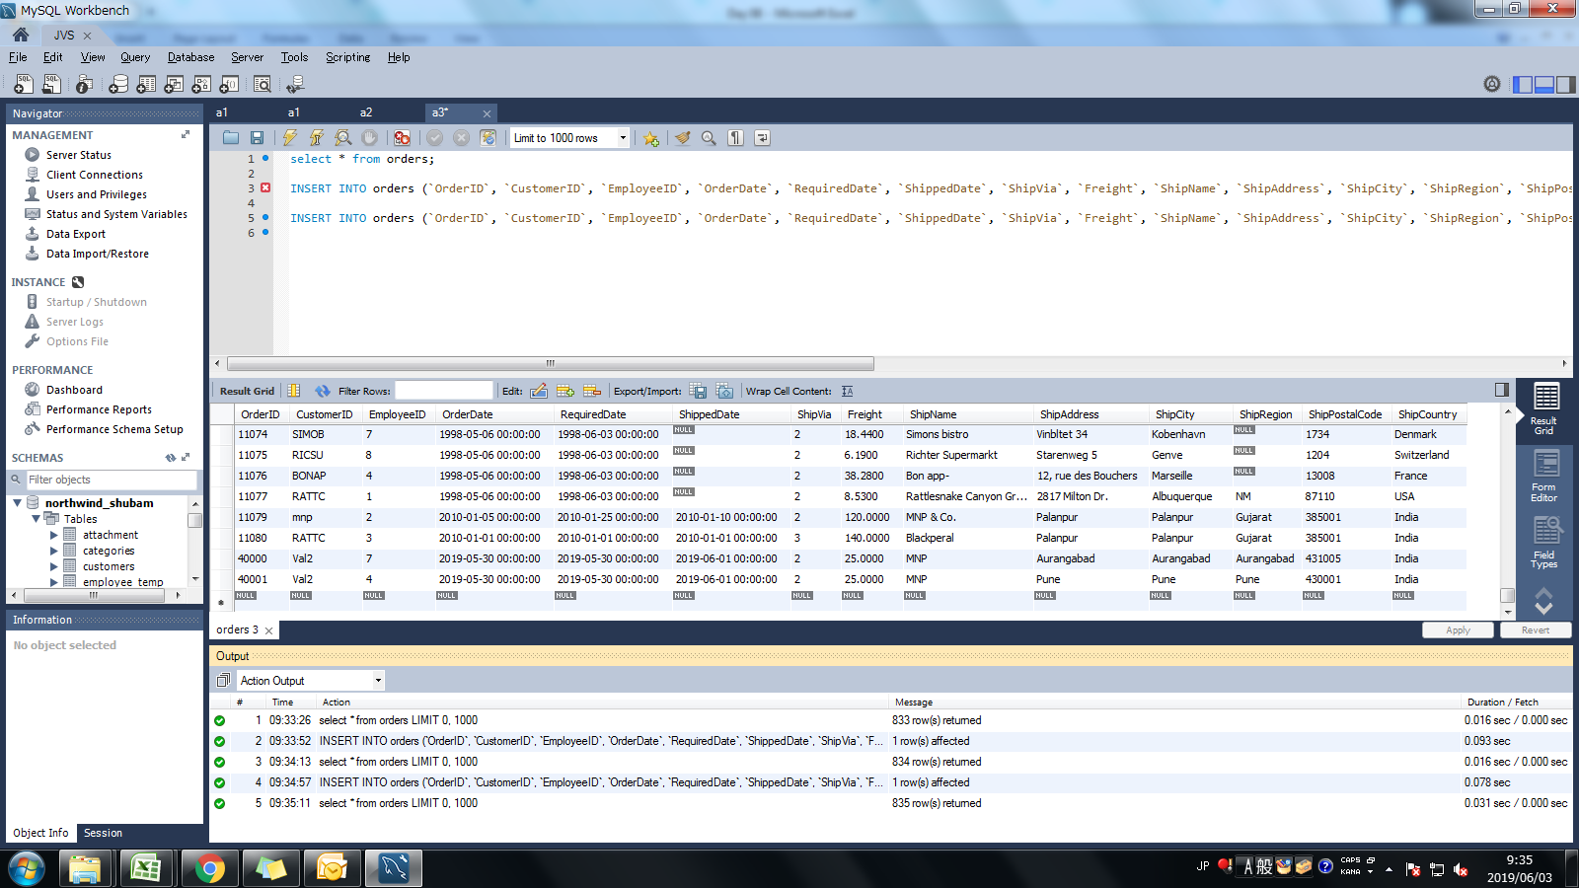
Assignment: | Place orders for one supplier's products.

Query: | select * from orders;

 | INSERT INTO orders (`OrderID`, `CustomerID`, `EmployeeID`, `OrderDate`, `RequiredDate`, `ShippedDate`, `ShipVia`, `Freight`, `ShipName`, `ShipAddress`, `ShipCity`, `ShipRegion`, `ShipPostalCode`, `ShipCountry`) VALUES ('40000', 'Val2', '7', '2019-5-30', '2019-5-30', '2019-6-01', '2', '25', 'MNP', 'Aurangabad', 'Aurangabad', 'Aurangabad', '431005', 'India');

 | INSERT INTO orders (`OrderID`, `CustomerID`, `EmployeeID`, `OrderDate`, `RequiredDate`, `ShippedDate`, `ShipVia`, `Freight`, `ShipName`, `ShipAddress`, `ShipCity`, `ShipRegion`, `ShipPostalCode`, `ShipCountry`) VALUES ('40001', 'Val2', '4', '2019-5-30', '2019-5-30', '2019-6-01', '2', '25', 'MNP', 'Pune', 'Pune', 'Pune', '430001', 'India');

Screen Shoot:

Assigmnet 4
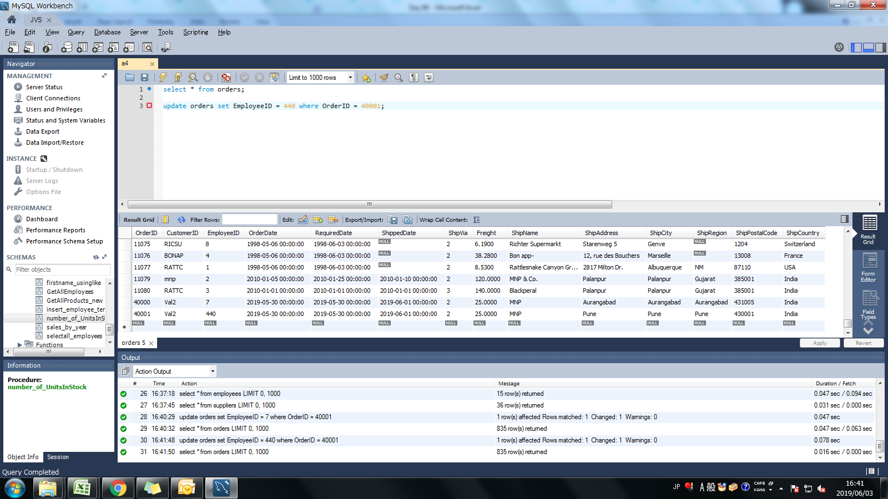
Assignment: | Update employeeID of orders table for spcific supplier's one product

Query: | select * from orders;

 | update orders set EmployeeID = 440 where OrderID = 40001;

Screen Shoot:
 | Before
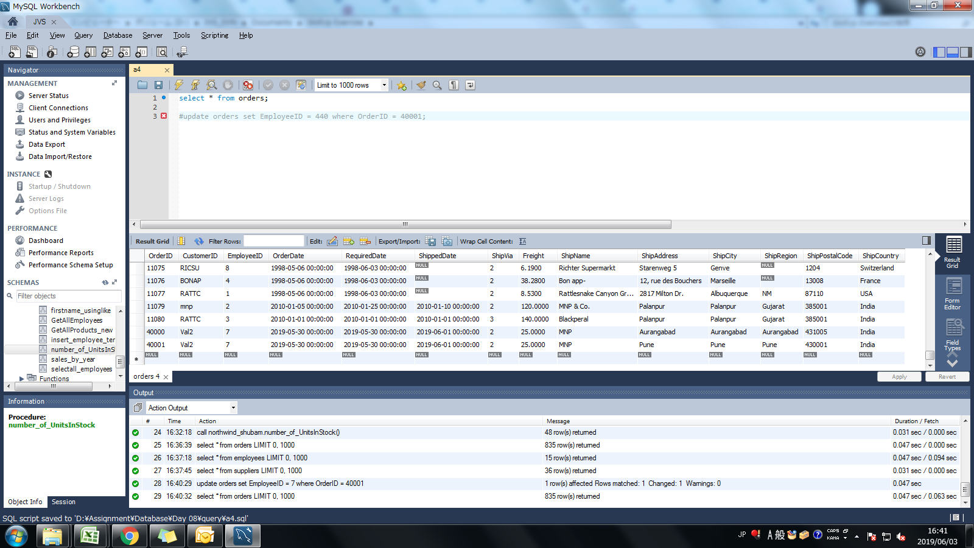

 | After

Assignment 5
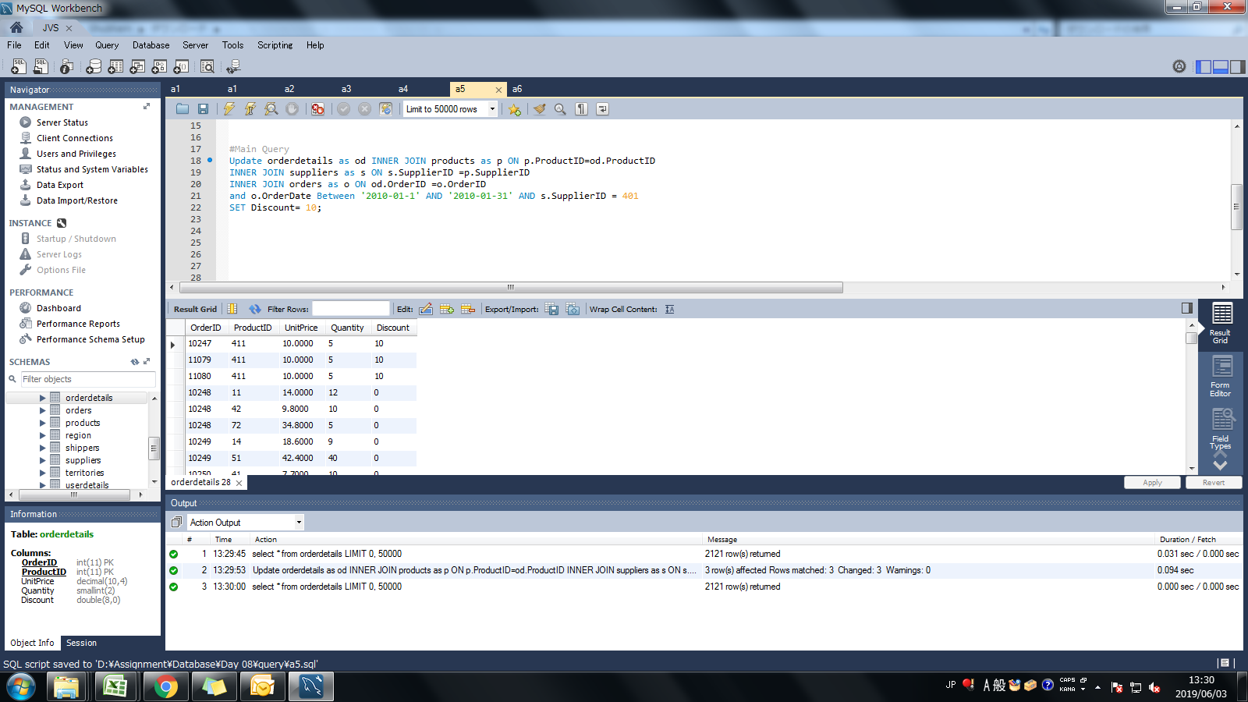
Assignment: | Update discount in order for spcific supplier's one product who placed order in january, 2010

Query: | Update orderdetails as od INNER JOIN products as p ON p.ProductID=od.ProductID
 | INNER JOIN suppliers as s ON s.SupplierID =p.SupplierID
 | INNER JOIN orders as o ON od.OrderID =o.OrderID
 | and o.OrderDate Between '2010-01-1' AND '2010-01-31' AND s.SupplierID = 401
 | SET Discount= 10;

Screen Shoot:

Assignmnet 6
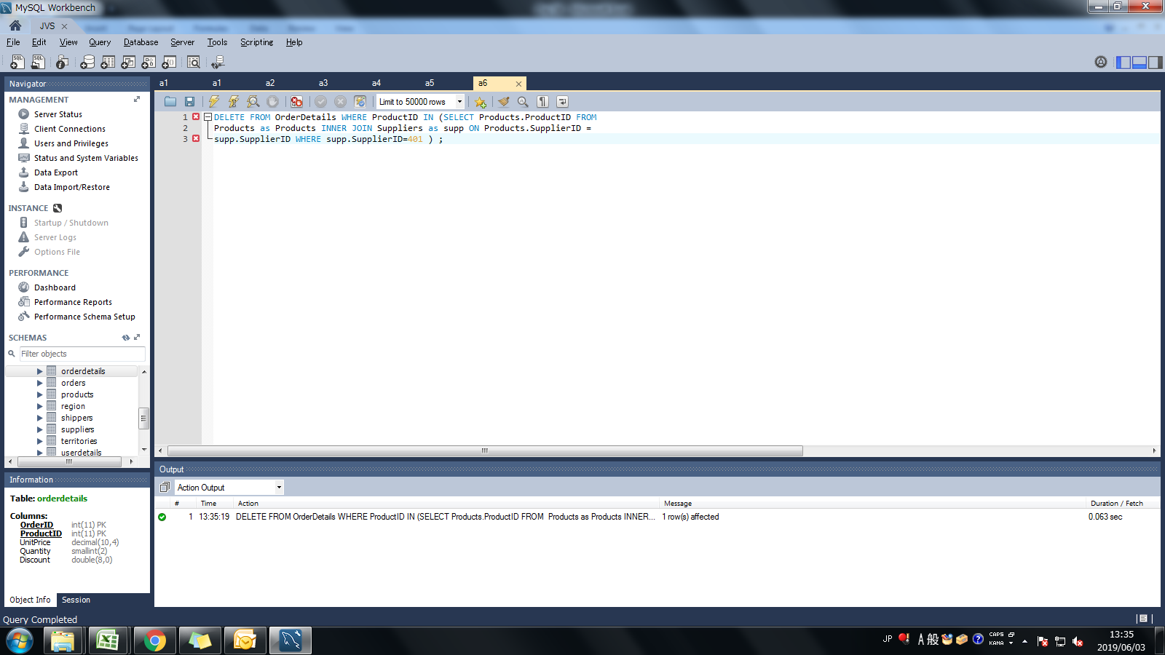
Assignment: | Remove order and its details for spcific supplier's one product.

Query: | DELETE FROM OrderDetails WHERE ProductID IN (SELECT Products.ProductID FROM
 | Products as Products INNER JOIN Suppliers as supp ON Products.SupplierID =
 | supp.SupplierID WHERE supp.SupplierID=401 ) | ;

Screen Shoot:

